Sheet1
Three member Steel-Wood-Steel bolted connection with load perpendicular to grain based on CAN/CSA-O86-09
"For EDUCATIONAL PURPOSES ONLY - Not for use as a design aid"
Karim Shaheen, Carleton University, Ottawa, Ontario, Canada
April , 2014
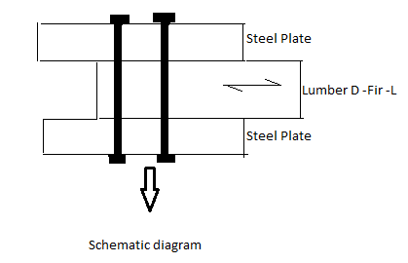
Wood (Lumber) - D Fir -L (N) | Width (b) = | 84 | mm
 | Depth (d) = | 235 | mm
 | Ag = | 19740 | mm^2
 | An = | 16044 | mm^2
# of bolt rows | 2 | G = | 0.49
 | fu = | 400 | Mpa
*User input* | fy = | 310 | Mpa
*Output - Results will vary* | fv = | 1.9 | MPa
Area Check:
An/Ag = | 81.28 | OK
Spacing Check:
 | Input: |  |  | Output:
fastner diameter (df): | 20 | mm
Bolt hole size: | 22 | mm
Row Spacing (Sc): | 80 | mm | ≥ | 60 | >> | Good
Spacing of fasteners in a row (SR): | 70 | mm | ≥ | 60 | >> | Good
Loaded edge distance (eQ): | 90 | mm | ≥ | 80 | >> | Good
Unloaded edge distance (ep): | 35 | mm | ≥ | 30 | >> | Good
Unloaded end distance (a): | 85 | mm | ≥ | 80 | >> | Good

Yielding Resistance Check: |  |  | t1 (steel) = | 6 | mm
 |  |  | t2 (wood) = | 84 | mm
Nr = Φy nu ns nf |  |  | KD: | Standard | 1
Resistance factor for metal member (Φsteel) = | 0.67 |  | KSF: | Seasoned Dry | 1
Resistance factor for yielding failures (Φy) = | 0.8 |  | KT: | Wet or Dry and Untreated Lumber | 1
# of shear planes in the joint (ns) = | 2 |  | KH: | Built -up beams | 1.10
# of fasteners in the joint (nf) = | 2 |  | Ksv: | Dry service conditions | 1
 |  |  | Kzv: | All other properties | 1
f1 (steel) = | 1005.000 | Mpa
f2 (wood) = | 8.624 | Mpa
Case a = | 120.600 | KN
Case c = | 7.244 | KN
Case d = | 32.527 | KN
Case g = | 16.815 | KN
Unit lateral yielding resistance (nu) = | 7.244 | KN

Nr = | 23.181 | KN

Splitting Resistance Check:

QSri = Φw QSi (Kd Ksf Kt)
Resistance factor for brittle failures (Φw) = | 0.7
QSi = | 43.095 | KN

QSri = | 30.166 | KN

Shear Resistance Check:
𝑉𝑟= 2𝐴𝑛/3 Φ Fv Kzv (CL 5.5.5.1)

Shear resistance factor (Φ) = | 0.9
Fv = | 2.09 | KN

Vr = | 20.119 | KN

Reference:
Canadian Standards Association (CSA) (2010) O86-09 Engineering design in wood with Update No.1.
 | Mississauga, ON: Canadian Standards Association.

