Main
Design of S-W-S Bolted Connection Load Parallel to Grain, Based on CAN/CSA-O86-09
For EDUCATIONAL PURPOSES ONLY - Not for use as a design aid
Michael Abma, Carleton University, Ottawa, Ontario, Canada
April, 2014

Notes

 | Design Aid Limitations
 |  | Bolt spacing must be the same for each row
 |  | Bolts in each row must be directly above or below the adjacent rows botls (ie no skewed bolt pattern)
 |  | Bolt rows must be parallel with the direction of the grain
 |  | Row spacing between 3 or more rows must be the same
 |  | Only visually graded lumber can be used

 | Other Notes
 |  | See diagram below

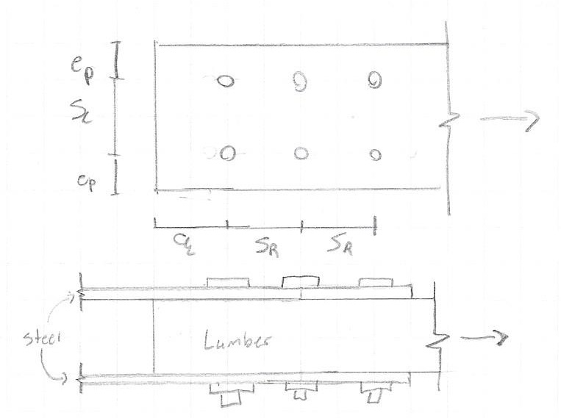

Inputs

 | Timber Properties |  |  |  | Timber Properties
 |  | Species | S-P-F |  | Table 5.2.2.1 | Beam and Stringer
 |  | Grade | No.1 |  | Table 4.3.2.2 | Kd | 1.15
 |  | Condition of Lumber | Seasoned |  | Table 10.2.1.5 | Ksf | 0.67
 |  | Service Condition | Wet |  | Table 5.4.3 | Kt | 1
 |  | Treatment | Treatment Unincised |  | Table 5.4.4 | Kh | 1
 | Timber Geometry |  |  |  | Table 5.4.2 | Kst | 1
 |  | Depth d = | 191 | mm | Table 5.4.5 | Kzt | 0.8
 |  | Width b = | 495 | mm |  | fv | 1.2 | Mpa
 | Steel Plate Properties |  |  |  |  | ft | 4.9 | MPa
 |  | Fy = | 350 | MPa | Bolts
 |  | Fu = | 400 | MPa |  | Hole Size | 32 | mm
 |  | Thickness = | 5 | mm |  | Shear Surfaces | 2
 | Connection
 |  | Bolt Diameter = | 30 | mm | Bolt Spacing*
 |  | # of Rows = | 3 |  |  | Spacing |  | mm
 |  | Bolts per Row = | 4 |  |  | Row Spacing | 120 | mm
 |  | Bolt Fy = | 310 | MPa |  | End Spacing |  | mm
 | Loading |  |  |  | * If no inputs, leave cells blank,
 |  | Factored or Specified* | Factored |  | minimum spacing assumed for calulations
 |  | Dead = | 80 | kN
 |  | Live = | 70 | kN
 |  | Wind = | 20 | kN
 |  | Snow = | 0 | kN
 |  | Earthquake = | 0 | kN
 |  | *Tension (+) Compression (-)

 |  |  |  |  | Legend
 |  |  |  |  |  | Indicates input required by the user

Results |  | Member Connection Inadequate, Redsign Required, See Below for Details

 |  | Kd* = | 1.15 |  | * Be sure to check all possible loading durations

 |  | Pf or Tf* = | 170 | kN | *Tension (+) Compression (-)

 |  | Bolt Spacing = |  |  | OK

 |  | Bolt Yielding Resistance = | 623.0398608 | kN | OK

 |  | Row Shear Resistance = | 213.61366656 | kN | OK

 |  | Group Tear Out Resistance = | 160.04542456 | kN | Fail, Redesign Required

 |  | Net Tension Resistance = | 309.1951548 | kN | OK

 |  | Check below for spacing requirements
Load Combinations

 | Kd = 0.65 |  | Combination | Tf
 |  | 1 | 1.4D | 112
 |  |  | Govern = | 112 | kN

 | Kd = 1.0 |  | Combination | Tf
 |  | 2a | 1.25D + 1.5L | 205
 |  | 2b | 1.25D + 1.5L + 0.5S | 245
 |  | 2d | 0.9D + 1.5L | 177
 |  | 2e | 0.9D + 1.5L + 0.5S | 177
 |  | 3a | 1.25D + 1.5S | 100
 |  | 3b | 1.25D + 1.5S + 0.5L | 135
 |  | 3d | 0.9D + 1.5S | 72
 |  | 3e | 0.9D + 1.5S + 0.5L | 107
 |  |  | Max = | 245 | kN
 |  |  | Min = | 72 | kN
 |  |  | Govern = | 245 | kN

 | Kd = 1.15 |  | Combination | Tf
 |  | 2c | 1.25D + 1.5L + 0.4W | 213
 |  | 2f | 0.9D + 1.5L + 0.4W | 185
 |  | 3c | 1.25D + 1.5S + 0.4W | 108
 |  | 3f | 0.9D + 1.5S + 0.4W | 80
 |  | 4a | 1.25D + 1.4W | 128
 |  | 4b | 1.25D + 1.4W + 0.5L | 163
 |  | 4c | 1.25D + 1.4W + 0.5S | 128
 |  | 4d | 0.9D + 1.4W | 100
 |  | 4e | 0.9D + 1.4W + 0.5L | 135
 |  | 4f | 0.9D + 1.4W + 0.5S | 100
 |  | 5a | 1.0D + 1.0E | 80
 |  | 5b | 1.0D + 1.0E + 0.5L | 115
 |  | 5c | 1.0D + 1.0E + 0.25S | 80
 |  |  | Max = | 213 | kN
 |  |  | Min = | 80 | kN
 |  |  | Govern = | 213 | KN

Calculations

 | Bolt Spacing
 |  |  | Minimum Spacing | Actual Spacing | Check
 |  | Spaceing | 120 | 120 | OK | §10.4.3.1
 |  | Row Spacing | 90 | 120 | OK | §10.4.3.1
 |  | Unloaded Edge Distance | 45 | 127.5 | OK | §10.4.3.1
 |  | Loaded End Distance | 150 | 150 | OK | §10.4.3.1
 |  | Unloaded End Distnace | 120 | 120 | OK | §10.4.3.1
 |  | Excess Lateral Spacing | 225 | 0 | OK
 |  |  |  | Bolt Spacing | OK

 | Bolt Yielding Resistance
 |  | phi s = | 0.67 |  | §10.4.4.3.3.2
 |  | phi y = | 0.8 |  | §10.4.4.3.1
 |  | G = | 0.42 |  | Table A.10.1
 |  | f1 = | 1005 | MPa | §10.4.4.3.3.2
 |  | fip = | 14.7 | MPa | §10.4.4.3.3.1
 |  | f2 = | 11.32635 | MPa | §10.4.4.3.3.1
 |  | Case a = | 150750 | N | §10.4.4.3.2
 |  | Case c = | 32449.99275 | N | §10.4.4.3.2
 |  | Case d = | 51800.062687 | N | §10.4.4.3.2
 |  | Case g = | 43300.125373 | N | §10.4.4.3.2
 |  | Min = | 32449.99275 | N
 |  | Nr = | 623039.8608 | N | §10.4.4.3.1

 | Row Shear Resistance
 |  | Kis | 1 |  | §10.4.4.4
 |  | acri | 120 | mm | §10.4.4.4
 |  | fv | 1.2 | Mpa
 |  | Phi w | 0.7 |  | §10.4.4.4
 |  | Prijmin | 132019.2 | N | §10.4.4.4
 |  | PRri | 213613.66656 | N | §10.4.4.4
 |  | PRrt | 213613.66656 | N | §10.4.4.4

Calculations

 | Group Tearout
 |  | acri | 120 | mm | §10.4.4.4
 |  | Phi w | 0.7 |  | §10.4.4.5
 |  | Kis | 1 |  | §10.4.4.4
 |  | ft | 4.9 | Mpa
 |  | APGi | 33616 | mm^2 | §10.4.4.5
 |  | PRi1 | 101720.7936 | N | §10.4.4.5
 |  | PRinR | 101720.7936 | N | §10.4.4.5
 |  | PGri | 160045.42456 | N | §10.4.4.5
 |  | PGrT | 160045.42456 | N | §10.4.4.5

 | Net Tension Resistance
 |  | Phy | 0.9 |  | §5.5.9
 |  | Ag | 94545 | mm^2
 |  | An | 76209 | mm^2
 |  | Net Area Check | OK |  | §10.4.4.6.2
 |  | Ft | 5.635 | MPa | §5.5.9
 |  | Tr | 309195.1548 | N | §5.5.9

Reference
 | Canadian Standards Association (CSA) (2010) O86-09 Engineering design in wood with Update No.1.
 |  | Mississauga, ON: Canadian Standards Association.

