Design
Design of Two-member Glulam in Tension: Wood-Steel Bolted Connection, Based on CAN/CSA-086-09
For EDUCATIONAL PURPOSES ONLY - Not for use as a design aid
 |  |  |  |  |  |  |  |  | Folasade Akinbami

 |  |  |  |  |  |  |  |  | April, 2014

INPUTS

 | Material Properties

 |  | Load Duration Factor
 |  |  |  | Load Duration | Standard Term |  | KD | = | 1.00 | §4.3.2.2
 |  | Steel Side Plate
 |  |  |  | Type | ASTM A307 |  | fy | = | 310 | MPa, §10.4.4.3.3.3
 |  |  |  | Grade | 2 |  |  |  | 2.0 | §10.4.4.3.3.4
 |  |  |  | Service condition factor (bolts) | Wet |  | KSF | = | 0.67 | §10.2.1.5
 |  | Wood Main Member
 |  |  |  | Species | Douglas Fir-Larch |  | ftn | = | 23 | Table 6.3
 |  |  |  | Grade | 18t-E |  | ftg | = | 17.9 | Table 6.3
 |  |  |  | System Effect | No Mutual Support |  | KH | = | 1.0 | §6.4.3
 |  |  |  | Service Condition | Dry |  | KSt | = | 1.00 | §6.4.2
 |  |  |  | Treatment | None |  | KT | = | 1.0 | §6.4.4
 |  |  |  |  |  |  | fv | = | 2.0 | §10.4.4.4
 |  |  |  |  |  |  | fC |  | 30.2

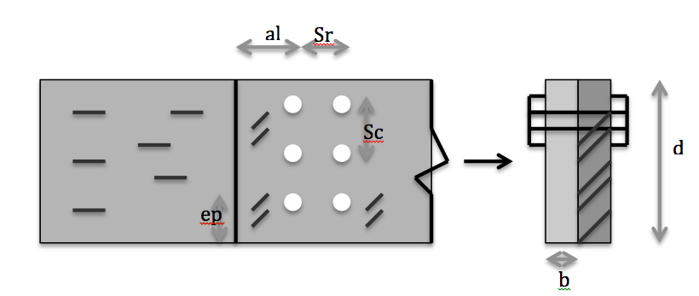
 | Dimensions and Connection Properties
 | Select Dimensions for:
 |  | Steel Side Plate
 |  |  |  | Thickness t = | 100 | mm |  |  | OK | §10.9.2.2
 |  |  |  | Depth d = | 800 | mm
 |  |  |  | # Bolts at Connection = | 15
 |  |  |  | # of Rows | 3 |  |  |  | OK
 |  |  |  | Bolt Diameter dF = | 25 | mm
 |  |  |  |  |  |  | Fastners/Row, nc | = | 5
 |  |  |  |  |  |  |  |  | OK

 |  |  |  |  |  |  |  | Gross Area Ag = | 240000 | mm2
 |  | Wood Main Member |  |  |  |  |  | Bolt hole size = | 27 | mm
 |  |  |  | Width b = | 300 | mm |  | Net Area An = | 215700 | mm2
 |  |  |  | Depth d = | 800 | mm |  | An / Ag = | 0.89875
 |  |  |  |  |  |  |  |  | OK | §4.3.8.1
 |  |  |  | Fastner Spacing in a Row SR | 200 | mm |  |  | OK | §10.4.3.1
 |  |  |  | Row Spacing SC | 90 | mm |  |  | OK | §10.4.3.1
 |  |  |  | Loaded end distance aL | 125 | mm |  |  | OK | §10.4.3.1
 |  |  |  | Unloaded edge distance ep | 45 | mm

 | Intermediate Calculations

 |  | Factored Lateral Yielding Resistance
 |  |  |  | Φy | 0.8 |  | §10.4.4.3.1
 |  |  |  | Φsteel | 0.67 |  | §10.4.4.3.3.2
 |  |  |  | fu | 400 | MPa | §10.4.4.3.3.3
 |  |  |  | ns | 1.0 |  | §10.4.4.3.1
 |  |  |  | E | 13800 | MPa | Table A.10.1
 |  |  |  | G | 0.49 |  | §10.4.4.3.3.1
 |  |  |  | nf | 15 |  | §10.4.4.3.1
 |  |  |  | f1 | 1005.0 | MPa | §10.4.4.3.3.2
 |  |  |  | f2 | 18.4 | MPa | §10.4.4.3.3.2
 |  |  |  | t1 | 100.0 | mm
 |  |  |  | t2 | 300.0 | mm
 |  |  | nu, min of: | Bearing Failure of Side Plate | 2512.50 | kN | §10.4.4.3.2
 |  |  |  | Main Member Bearing Failure | 137.81 | kN | §10.4.4.3.3
 |  |  |  | Nail Yields Inside Plate | 521.58 | kN | §10.4.4.3.4
 |  |  |  | Nail Yields in Main Member | 1526.58 | kN | §10.4.4.3.5
 |  |  |  | Bearing Failure in Both Members | 530.06 | kN | §10.4.4.3.6
 |  |  |  | Nail Yields in Double Bending | 38.17 | kN | §10.4.4.3.7

 |  |  |  | Therefore nu = | 38.17 | kN

 |  |  |  | Nr | 458.01 | kN

 |  | Factored Resistance Parallel to Grain

 |  |  | Factored Row Shear Resistance
 |  |  |  | Φw | 0.7 |  | §10.4.4.4
 |  |  |  | Kls | 0.65 |  | §10.4.4.4
 |  |  |  | t | 300 | mm | §10.4.4.4
 |  |  |  | nc | 5 |  | §10.4.4.4
 |  |  |  | nr | 3 |  | §10.4.4.4
 |  |  |  | acri | 125 | mm | §10.4.3.1
 |  |  |  | PRij, min | 292.5 | kN | §10.4.4.4

 |  |  |  | PRr i | 411.55 | kN | §10.4.4.4


 |  |  | Factored Group-Tearout Resitance
 |  |  |  | Φw | 0.7 |  | §10.4.4.5
 |  |  |  | Kls | 0.65
 |  |  |  | t | 300 | mm
 |  |  |  | nc | 5
 |  |  |  | acr1 | 125 | mm
 |  |  |  | APGi | 37800 | mm2 | §10.4.4.5
 |  |  |  | PRi1 | 195.975 | kN | §10.4.4.5
 |  |  |  | PRinR | 195.98 | kN | §10.4.4.5

 |  |  |  | PGr i | 544.93 | kN | §10.4.4.5

 |  |  | Factored Net Tension Resistance

 |  |  |  | φ = | 0.90 | MPa | §6.5.11
 |  |  |  | Ftn = | 23.00 | MPa | §6.5.11
 |  |  |  | Ftg = | 17.90 | kN | §6.5.11
 |  |  |  | Trn = | 4464.99 | kN | §6.5.11
 |  |  |  | Trg = | 3866.40 |  | §6.5.11

 |  |  |  | Tr = | 3866.40 | kN | §6.5.11

RESULTS

 |  | Factored Lateral Yielding Resistance
 |  |  |  | Calculated as | 452.89 | kN

 |  | Factored Resistance Parallel to Grain
 |  |  |  | Calculed as | 411.55 | kN
 |  | Based on the lesser of:

 |  |  |  | Factored Row Shear ResistancePR_rT | 411.55 | kN

 |  |  |  | Factored Group-Tearout Resistance PG_rT | 544.93 | kN

 |  |  |  | Factored Net Tension Resistance TN_rT | 1549.13 | kN

